Sums
 | Rotation | Toss | Nod | Waggle
Negative | 1 | 1 | 1 | 1 | 4 | 2 | 13 | 6
Neutral | 1 | 1 | 1 | 1 | 59 | 43 | 35 | 44
Positive | 1 | 1 | 1 | 1 | 66 | 84 | 80 | 79

Total | 3 | 3 | 3 | 3

Rotation
Toss
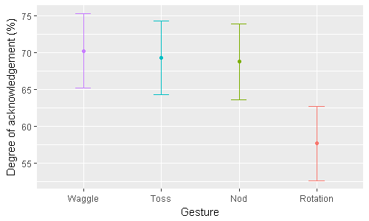

Nod
Waggle

